OV - ACC
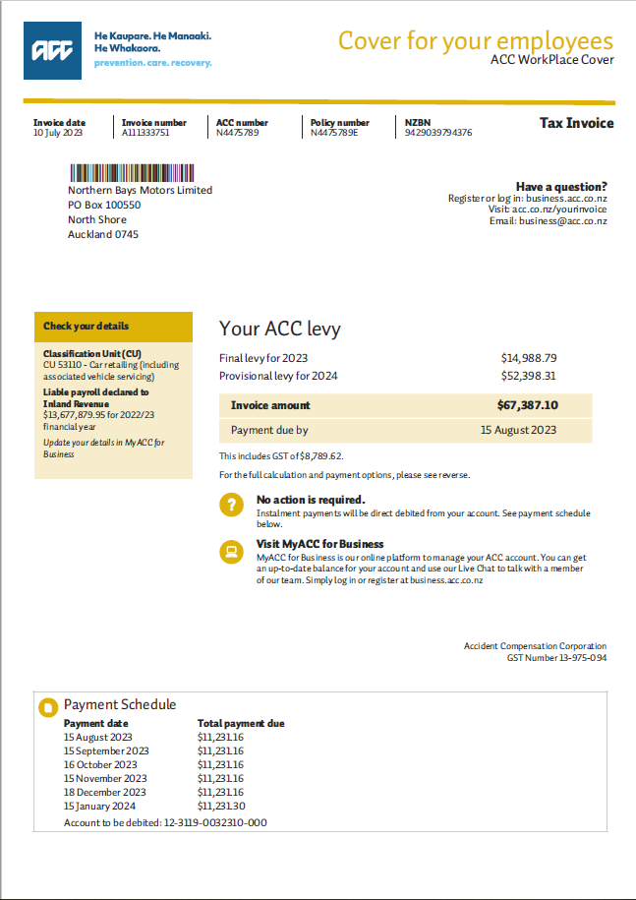
GL 2584 - Accrued ACC Levy

2023/24 invoice - excluding GST |  |  | 58,597.48 |  | 67,387.10 | -8,789.62
2024/25 invocie - excluding GST |  |  | 60,000.00 |  | 69,000.00 | -9,000.00
Accrual over 12 mth (Jul - Jun) |  |  | 4,883.12
Accrual over 12 mth (Jul - Jun) |  |  | 5,000.00

 |  | CR | Balance
Opening Balance |  |  | 60,000.00

Aug-24 |  | 5,000.00 | 50,000.00
Sep-24 |  | 5,000.00 | 45,000.00
Oct-24 |  | 5,000.00 | 40,000.00
Nov-24 |  | 5,000.00 | 35,000.00
Dec-24 |  | 5,000.00 | 30,000.00
Jan-25 |  | 5,000.00 | 25,000.00
Feb-25 |  | 5,000.00 | 20,000.00
Mar-25 |  | 5,000.00 | 15,000.00
Apr-24 |  | 4,883.12 | 9,766.24
May-24 |  | 4,883.12 | 4,883.12
Jun-24 |  | 4,883.12 | -0.00
Jul-24 |  | 5,000.00 | 55,000.00

 |  |  |  |  |  | Based on total staffs as ACC levy are paid for every staffs
 | OLD | NEW | Monthly Accruals | Monthly Accruals |  | Row Labels | Admin | Apprentice | F&I | Groomer | Labour | Parts | Sales | Service Advisor | Tyre | Warranty | Labour/admin | Grand Total | Split %
7240 110 | 9% | 6% | $305.20 | $312.50 | Admin & Other | 110 | 4 |  |  |  |  |  | 5 |  |  |  |  | 9 | 6% | Admin & Other
7240 112 | 8% | 3% | $169.55 | $173.61 | LEX Admin & Other | 112 | 1 |  |  |  |  |  | 4 |  |  |  |  | 5 | 3% | LEX Admin & Other
7240 120 | 12% | 2% | $101.73 | $104.17 | Admin & Other | 120 |  |  |  |  |  |  | 3 |  |  |  |  | 3 | 2% | Admin & Other
7240 121 | 6% | 1% | $67.82 | $69.44 | Admin & Other | 121 |  |  |  |  |  |  | 2 |  |  |  |  | 2 | 1% | Admin & Other
7240 130 | 4% | 8% | $373.02 | $381.94 | Admin & Other | 130 | 1 |  |  |  |  | 10 |  |  |  |  |  | 11 | 8% | Admin & Other
7240 140 | 15% | 19% | $949.50 | $972.22 | Admin & Other | 140 | 4 | 5 |  | 1 | 10 |  |  | 7 |  |  | 1 | 28 | 19% | Admin & Other
7240 142 | 9% | 7% | $339.11 | $347.22 | LEX Admin & Other | 142 |  | 2 |  | 2 | 2 |  |  | 3 |  |  | 1 | 10 | 7% | LEX Admin & Other
7240 142 | 2% | 3% | $169.55 | $173.61 | LEX Admin & Other | 142 | 1 | 1 |  |  | 2 |  |  | 1 |  |  |  | 5 | 3% | LEX Admin & Other
7240 150 | 0% | 6% | $271.28 | $277.78 | LEX Admin & Other | 150 |  |  |  | 8 |  |  |  |  |  |  |  | 8 | 6% | LEX Admin & Other
7240 160 | 4% | 2% | $101.73 | $104.17 | Admin & Other | 160 |  |  | 3 |  |  |  |  |  |  |  |  | 3 | 2% | Admin & Other
7240 210 | 4% | 3% | $135.64 | $138.89 | Admin & Other | 210 | 2 |  |  |  |  |  | 2 |  |  |  |  | 4 | 3% | Admin & Other
7240 220 | 2% | 3% | $135.64 | $138.89 | Admin & Other | 220 | 1 |  |  |  |  |  | 3 |  |  |  |  | 4 | 3% | Admin & Other
7240 230 | 2% | 2% | $101.73 | $104.17 | Admin & Other | 230 |  |  |  |  |  | 3 |  |  |  |  |  | 3 | 2% | Admin & Other
7240 240 | 5% | 12% | $576.48 | $590.28 | Admin & Other | 240 | 2 | 3 |  | 2 | 5 |  |  | 4 |  |  | 1 | 17 | 12% | Admin & Other
7240 260 | 2% | 1% | $67.82 | $69.44 | Admin & Other | 260 |  |  | 2 |  |  |  |  |  |  |  |  | 2 | 1% | Admin & Other
7240 330 | 2% | 1% | $33.91 | $34.72 | Admin & Other | 330 |  |  |  |  |  | 1 |  |  |  |  |  | 1 | 1% | Admin & Other
7240 340 | 4% | 8% | $373.02 | $381.94 | Admin & Other | 340 | 2 | 3 |  |  | 4 |  |  | 2 |  |  |  | 11 | 8% | Admin & Other
7240 430 | 2% | 1% | $33.91 | $34.72 | Admin & Other | 430 |  |  |  |  |  | 1 |  |  |  |  |  | 1 | 1% | Admin & Other
7240 440 | 4% | 8% | $373.02 | $381.94 | Admin & Other | 440 | 1 | 3 |  | 1 | 3 |  |  | 2 |  | 1 |  | 11 | 8% | Admin & Other
7240 935 | 2% | 3% | $169.55 | $173.61 | LEX Admin & Other | 935 |  |  |  |  |  |  |  |  | 5 |  |  | 5 | 3% | LEX Admin & Other
7240 936 | 2% | 1% | $33.91 | $34.72 | LEX Admin & Other | 936 |  |  |  |  |  |  |  |  | 1 |  |  | 1 | 1% | LEX Admin & Other
2584 900 | 100% | 100% | -$4,883.12 | -$5,000.00 |  | Grand Total | 19 | 17 | 5 | 14 | 26 | 15 | 19 | 19 | 6 | 1 | 3 | 144 | 100%

 |  |  | 3,730.16 | 3,819.44
 |  |  | 1,152.96 | 1,180.56

